Revised_Kimball Bus Matrix
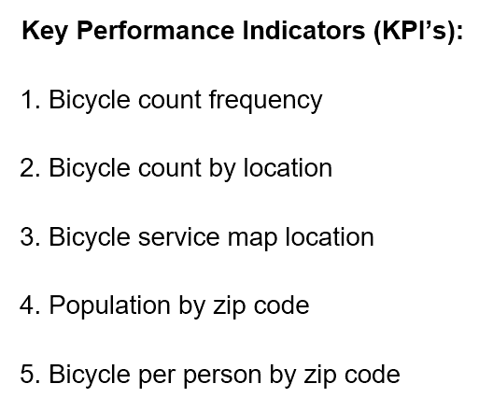
CIS 9440 - Data Warehousing for Analytics
Final Project Milestone 2
Group Number - 17
Student(s) – KWANG HEUM YEON

 | Dimensions
Business Processes (Facts) | Date | Time | Location
Bicycle | x | x | x
Census | x |  | x

